Note
Note

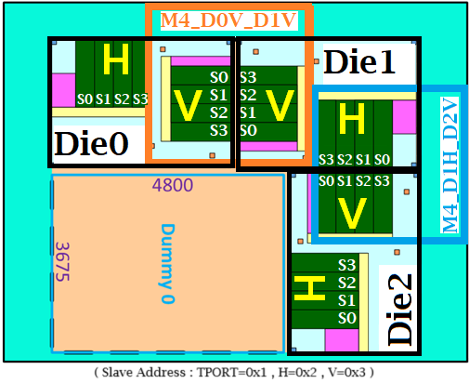
 | Chip Block |  |  |  | I2C Program Sequence
 |  |  |  |  | (E1)EHOST Register Setup |  |  |  | (If user is not edit this table,Test tools will write register slice0/2) |  |  |  |  |  |  | 0927
 |  |  |  |  | Register Name | Address |  | Bit | Name | EHOST | Write | Read | Die0/1/2 | V1/2 | Slice0/1/2/3 | Test Value | Note
 |  |  |  |  | (PLL1)PLL Register Setup
 |  |  |  |  | Test TX die:D2D_TX_DCK_P/N | 0x1110 |  | 0 |  |  | * |  | 0/1/2 | 1/2 | 0/2 | 0x0
 |  |  |  |  | Test TX die:D2D_TX_DCK_P/N | 0x1110 |  | 0 |  |  | * |  | 0/1/2 | 1/2 | 0/2 | 0x1

 |  |  |  |  | 程式執行流程 :
 |  |  |  |  | Write Die0 V1 Slice0 Register 0x1110[0]=0x0
 |  |  |  |  | Write Die0 V1 Slice2 Register 0x1110[0]=0x0
 |  |  |  |  | Write Die0 V2 Slice0 Register 0x1110[0]=0x0
 |  |  |  |  | Write Die0 V2 Slice2 Register 0x1110[0]=0x0
 |  |  |  |  | Write Die1 V1 Slice0 Register 0x1110[0]=0x0
 |  |  |  |  | Write Die1 V1 Slice2 Register 0x1110[0]=0x0
 |  |  |  |  | Write Die1 V2 Slice0 Register 0x1110[0]=0x0
 |  |  |  |  | Write Die1 V2 Slice2 Register 0x1110[0]=0x0
 |  |  |  |  | Write Die2 V1 Slice0 Register 0x1110[0]=0x0
 |  |  |  |  | Write Die2 V1 Slice2 Register 0x1110[0]=0x0
 |  |  |  |  | Write Die2 V2 Slice0 Register 0x1110[0]=0x0
 |  |  |  |  | Write Die2 V2 Slice2 Register 0x1110[0]=0x0
 |  |  |  |  | Write Die0 V1 Slice0 Register 0x1110[0]=0x1
 |  |  |  |  | Write Die0 V1 Slice2 Register 0x1110[0]=0x1
 |  |  |  |  | Write Die0 V2 Slice0 Register 0x1110[0]=0x1
 |  |  |  |  | Write Die0 V2 Slice2 Register 0x1110[0]=0x1
 |  |  |  |  | Write Die1 V1 Slice0 Register 0x1110[0]=0x1
 |  |  |  |  | Write Die1 V1 Slice2 Register 0x1110[0]=0x1
 |  |  |  |  | Write Die1 V2 Slice0 Register 0x1110[0]=0x1
 |  |  |  |  | Write Die1 V2 Slice2 Register 0x1110[0]=0x1
 |  |  |  |  | Write Die2 V1 Slice0 Register 0x1110[0]=0x1
 |  |  |  |  | Write Die2 V1 Slice2 Register 0x1110[0]=0x1
 |  |  |  |  | Write Die2 V2 Slice0 Register 0x1110[0]=0x1
 |  |  |  |  | Write Die2 V2 Slice2 Register 0x1110[0]=0x1

 | Excel Shee 簡介

 | AutoTest Condtion |  | 自動量測軟體所需量測項目/量測項目參數,均會由此sheet載入程式中,以便程式進行量測軟體與硬體設定
 | Register Sequence |  | 自動量測軟體會依據不同量測項目載入此sheet中Register參數
 | Test Result |  | 自動量測軟體會將量測參數與數據彙整於此sheet中
 | Register_Compare |  | 自動量測軟體會將當前Chip內Register Value與PLL Map Excel進行比較是否相同,將比較結果彙整於此sheet中
 | Specialized |  | 非UCIe IP量測數據與報告
 | Note |  | 量測人員可以將量測過程中所需資料整理至此sheet中(此sheet與自動量測軟體無任何連結,量測人員可依自己需求編輯此sheet)

 | 程式GUI簡介
 |  |  |  |  |  |  | Main Page
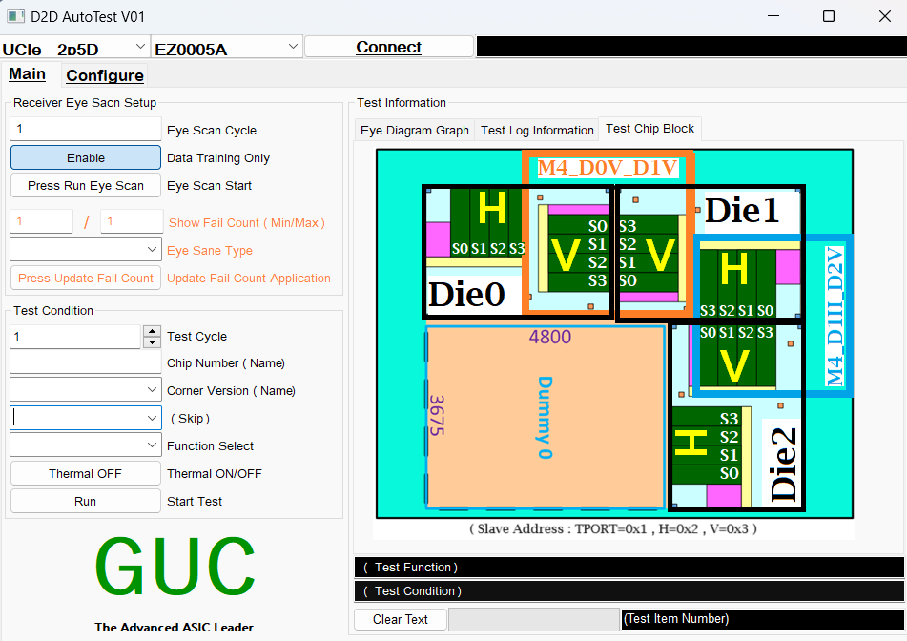

 |  | Receiver Eye Scan Setup
 |  | 此區塊具備重複執行Hardware Training來產生Eye Diagram的功能 |  |  |  |  |  |  |  |  |  |  |  |  |  |  |  | Test Information
 |  | 功能簡介 : |  |  |  |  |  |  |  |  |  |  |  |  |  |  |  | Eye Diagram Graph : 顯示Hardware Training Test Eye Diagram 圖片
 |  | Eye Scan Cycle : Hardware Training 次數設定 |  |  |  |  |  |  |  |  |  |  |  |  |  |  |  | Test Log Information : 程式量測過程中顯示量測進度與結果
 |  | Data Training Only : 執行不同Hardware Training Flow |  |  |  |  |  |  |  |  |  |  |  |  |  |  |  | Test Chip Block : 量測晶片內部結構示意圖
 |  | - Enable : 只執行Training,並且堆疊Eye Diagram
 |  | - Disable : 每次均重新執行PLL init 與 Training 流程,並且堆疊Eye Diagram
 |  | Eye Scan Start : 啟動Eye Scan Function
 |  | Slow Fail Count(Min/Max) : 在Eye Diagram 產生視窗會面顯示Fail次數
 |  | Eye Scan Type : 選擇所需顯示的Slice Eye Diagram
 |  | Press Update Fail Count Application : 根據Slow Fail Count(Min/Max) and Eye Scan Type 更新Eye Diagram 視窗

 |  | Test Condition
 |  | Chip Number : 量測晶片編號(EX: 2E03)
 |  | Test Cycle : 每個量測項目重複執行次數
 |  | Corner Version : Corner版本
 |  | PLL Map Sheet Select : 選擇程式載入PLL Map EXCEL中哪一個Sheet (EZ0005A Slip this function)
 |  | Function AutoTest : 目前程式僅支援AutoTest
 |  | Thermal ON/OFF : 高低溫機台是否由程式控制
 |  | Start Test : 啟動自動量測

 |  |  |  |  |  |  | Configure - GUC Chip Setup
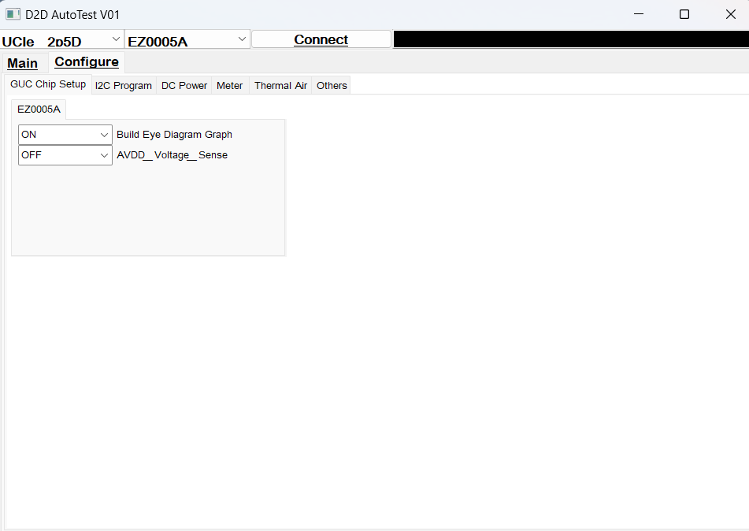

 |  |  |  | EZ0005A 量測功能設定
 |  |  |  | Build Eye Diagram Graph : 程式是產生眼圖圖檔
 |  |  |  | AVDD_Voltage_Sense : AVDD電壓補償功能開啟/關閉

 |  |  |  |  |  |  | Configure - I2C Program
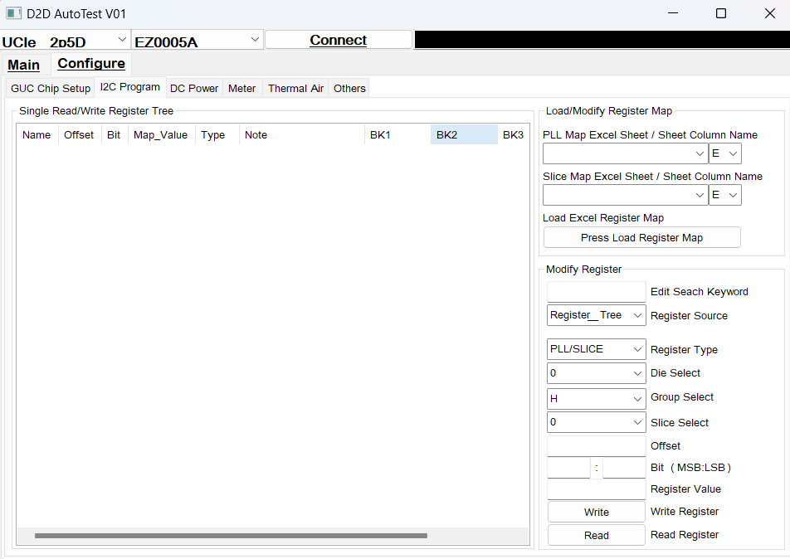

 |  |  |  |  |  |  |  |  |  |  |  |  |  |  |  |  |  | Load/Modify Register Map
 |  |  |  |  |  |  |  |  |  |  |  |  |  |  |  |  |  | PLL Map Excel Sheet/Sheet Cloumn Name : 選擇PLL Map Excel中所需載入Sheet名稱/選擇所需載入的Sheet "行" 編號
 |  |  |  |  | Single Read/Write Register |  |  |  |  |  |  |  |  |  |  |  |  | Slice Map Excel Sheet/Sheet Cloumn Name : 選擇Slice Map Excel中所需載入Sheet名稱/選擇所需載入的Sheet "行" 編號
 |  |  |  |  | 顯示PLL/Slice Register Tree 清單 |  |  |  |  |  |  |  |  |  |  |  |  | Load Excel Register Map : 按下此按鈕更新左方Register Tree 清單

 |  |  |  |  |  |  |  |  |  |  |  |  |  |  |  |  |  | Modify Register
 |  |  |  |  |  |  |  |  |  |  |  |  |  |  |  |  |  | Edit Seach Keyword : 輸入所需搜尋關鍵字
 |  |  |  |  |  |  |  |  |  |  |  |  |  |  |  |  |  |  | - 輸入關鍵字後,程式根據Register Tree中 Name 進行搜尋,並且更新Register Tree
 |  |  |  |  |  |  |  |  |  |  |  |  |  |  |  |  |  |  | - 未輸入關鍵字,程式會顯示所有的Register
 |  |  |  |  |  |  |  |  |  |  |  |  |  |  |  |  |  | Register Source : GUI 畫面上物件Offset / Bit (MSB:LSB) 設定來源右方Register Tree 或 User_Define 量測人員手動輸入
 |  |  |  |  |  |  |  |  |  |  |  |  |  |  |  |  |  | Reigster Type : 選擇Register 類別,不同類別會有不同Register Write/Read方式
 |  |  |  |  |  |  |  |  |  |  |  |  |  |  |  |  |  | Die Select : 選擇需要Write/Read Register Die編號
 |  |  |  |  |  |  |  |  |  |  |  |  |  |  |  |  |  | Group Select : 選擇需要Write/Read Register Die內部的不同區塊
 |  |  |  |  |  |  |  |  |  |  |  |  |  |  |  |  |  | Slice Select : 選擇需要Write/Read Register Die內部的區塊的Slice編號
 |  |  |  |  |  |  |  |  |  |  |  |  |  |  |  |  |  | Offset : 輸入控制Register offset value, value type is "HEX"
 |  |  |  |  |  |  |  |  |  |  |  |  |  |  |  |  |  | Bit (MSB:LSB) : 輸入控制Register 的Bit參數,value typr is "DEC"
 |  |  |  |  |  |  |  |  |  |  |  |  |  |  |  |  |  | Register Value : 輸入控制Write/Read Regiser 數值,value type is "HEX"
 |  |  |  |  |  |  |  |  |  |  |  |  |  |  |  |  |  | Write Register : 寫入Register
 |  |  |  |  |  |  |  |  |  |  |  |  |  |  |  |  |  | Read Register : 讀取Register

 |  |  |  |  |  |  | Configure - DC Power
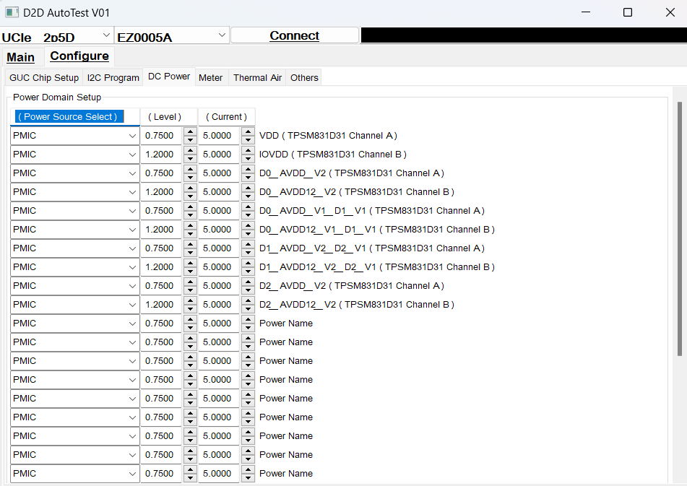

 |  |  |  |  | EZ0005A 各Power Domain電壓設定

 |  |  |  |  |  |  | Configure - Meter
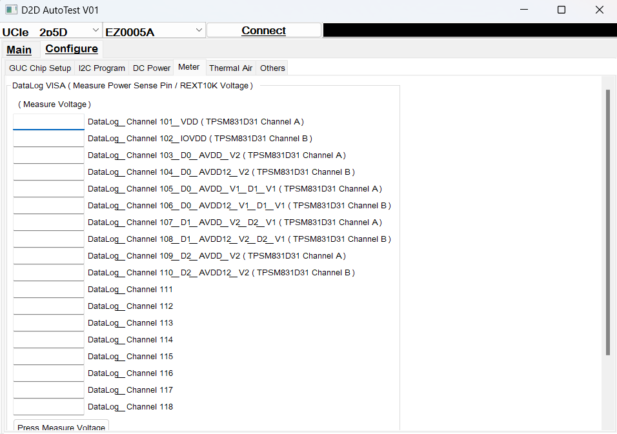

 |  |  |  |  | EZ0005A 各Power Domain電壓量測

 |  |  |  |  |  |  | Configure - Thermal Air
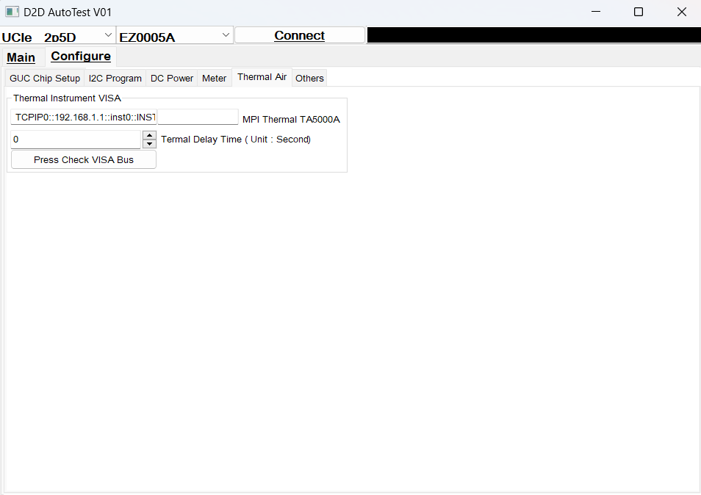

 |  |  |  |  | MPI Thermal TA5000A : 高低溫儀器VISA設定
 |  |  |  |  | Termal Delay Time(Unit : Second) : 溫度延遲時間

